Home
Trench Selection Tool
 | Telephone: | +44(0) 330 041 5472
 | Email: | sales@merriottuk.com
 | Website: | www.merriottuk.com | Merriott, Purmo Group (UK) Ltd, Eastern Avenue, Team Valley, Gateshead, NE11 0PG
v2.1 22/04/2026
 |  | Brochure
 |  | Technical Specification
 |  | Website - Aquilo

FMS | F1S | F2C & F2V - 2 Pipe | F4C & F4V - 4 Pipe
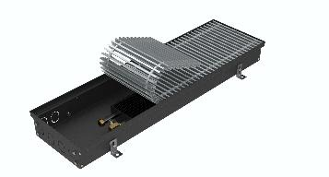 | 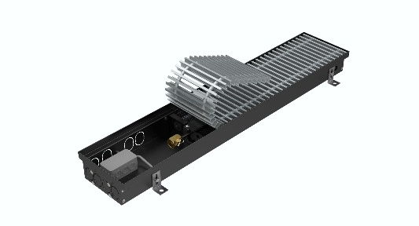 | 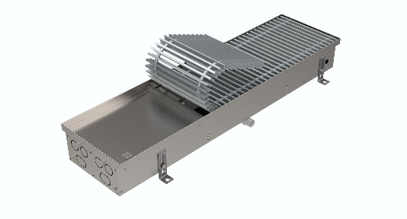 | 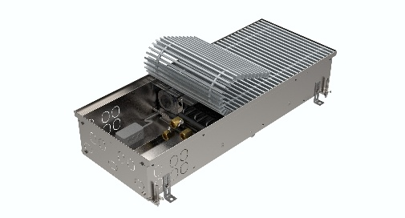
Heating Only - Natural Convection | Heating Only - Fan Assisted | Heating & Cooling - Fan Assisted | Heating & Cooling - Fan Assisted

In accordance with our policy of continual product improvement we reserve the right to amend the specification of these products or discontinue products without prior notification. We have compiled the content of this document to the best of our knowledge. Any typographical, clerical or other error or emission in any literature issued by us will be subject to correction without liability being incurred by us.

